MWE2020
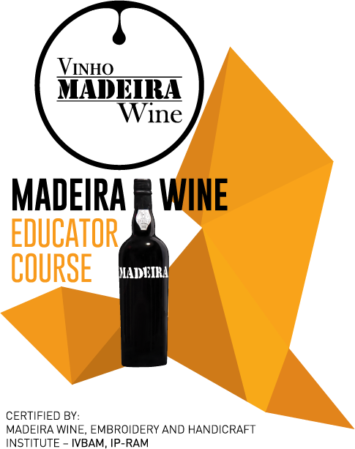 | Madeira Wine Educator Course 2020
 | IVBAM, IP-RAM - Instituto do Vinho, do Bordado e do Artesanato da Madeira, IP-RAM
 | Adress: Rua do Visconde de Anadia 44, Funchal Phone number | (+351) 291 211600 Email | gae@madeira.gov.pt or ligia.rubina@madeira.gov.pt

Full name of the candidate
Nacionality
ID number
Phone number
E-mail
Professional activity
Do you sell Madeira Wine?

Motivation letter:

